Personas
CREATING BUYER PERSONAS
1) | Conduct internal company interviews with the sales, services, product, etc., teams.
2) | Conduct UX research, including user interviews, to develop a deep understanding.
3) | Run a financial analysis on the customer economics of various segments.
4) | Complete the persona template for each persona. Keep to under three personas (add more if needed later on).
 | > > > Click here to access the persona template.
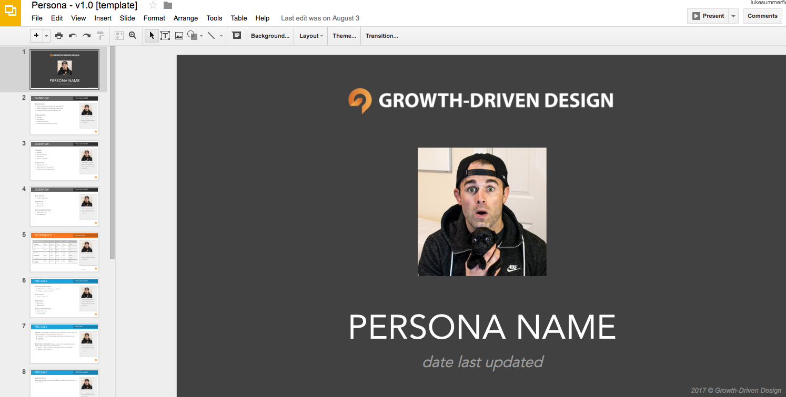

2017 © Growth-Driven Design

